Cover
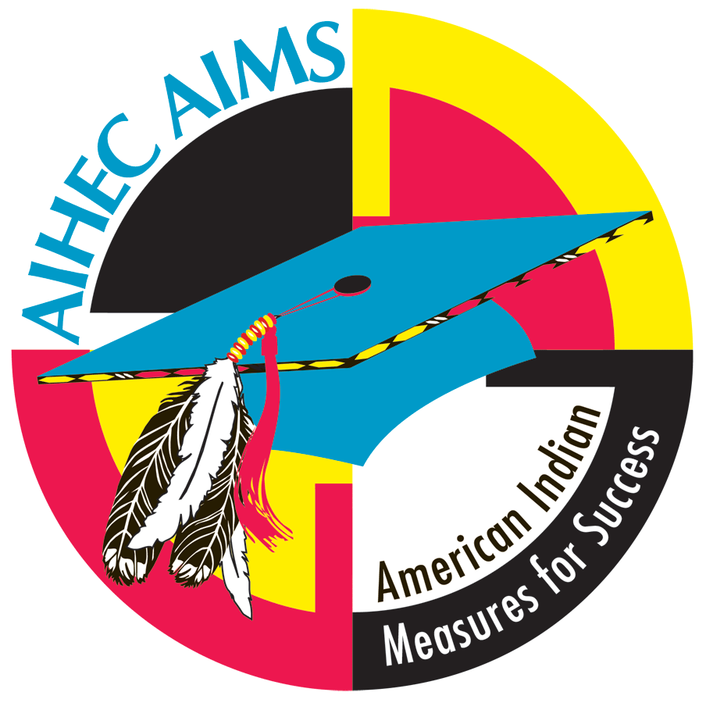

American Indian Measures for Success (AIMS)
AIMS Key Indicator System
Part A: Quantitative Indicators (AKIS-2023)

MASTER SPREADSHEET

Little Big Horn College

August 2023

Introduction
American Indian Higher Education Consortium
American Indian Measures for Success (AIHEC-AIMS)

AIMS Key Indicator System 2023 (AKIS 2023)

The AIHEC American Indian Measures for Success (AIHEC-AIMS) project has two goals: 1) to define relevant quantitative and qualitative indicator data of American Indian student success, as determined by the tribal colleges, and 2) to develop and implement a strategy for collecting, analyzing, and presenting annually the success indicator data using electronic information management tools. Through data collection and analysis, this project provides the foundation for systemic reform that significantly increases - and for the first time, accurately measures - American Indian success in higher education.
At the spring 2004 meeting, the AIHEC Board of Directors passed the following resolution in support of the AIHEC-AIMS project:
“The AIHEC Board of Directors should take an active role in the development of a definition of Tribal College and University student success and should support the AIHEC-Lumina initiative. Further, each Tribal College should participate, to the maximum extent possible, in all activities associated with the initiative.”
The AIMS Key Indicator System (AKIS) was developed under the guidance of the AIMS Advisory Panel and Tribal College and University presidents and registrars. AIHEC would like to express its appreciation for the time and effort given during the development of the instruments.
AIHEC AIMS 2023 consists of two parts:
Part A: Quantitative Indicators (Microsoft Excel®)
Part B: Qualitative Indicators (Microsoft Word®)
Thank you in advance for your participation in the AIHEC-AIMS project! Please complete AKIS 2023 by Janurary 19th, 2024.
If you have any questions regarding AKIS 2022, please contact Wells Ling by email at wling@aihec.org.
NO EXTENSIONS ON DEADLINE
If any data are incomplete when submitted, the report will be rejected and considered LATE.

